Report Page


Project Description: Custom nightstand

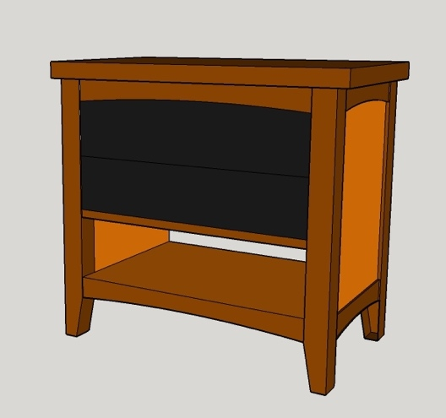
 | Amount | Total Cost
Lumber Cost: | 69.50 | $443.42
Hardware Cost: |  | $94.00
Finish Cost: |  | $105.00
Consumables Cost: |  | $61.00
Total Labor Cost: | 21.75 | $1,087.50

Final Cost: |  | $1,790.92

50% due upon accepting this quote and remainder due upon completion of the project. Any changes once this quote is accepted will be at additional cost that will be due at final payment.

Estimated Start Date: |  | Estimated Completion Date:
Note: Dates are subject to change at any time.

Client Signature:_______________________________________________

Initial Payment Received: |  | $895.46 | Date:

Change Orders
Item: | Date: | Additional Cost: |  | Approved By
 |  | $0.00
 |  | $0.00
 |  | $0.00
 |  | $0.00
 |  | $0.00
 |  | $0.00

 | Total: | $0.00

 | Final Amount Due Upon Completion: |  |  |  | $895.46

Note: Quotes are only honored for 30 days. This quote sheet shall be updated with any change orders and delivered with the final project.

